Q1
Question:
The chart shows the household income distribution of the families living in three different neighbourhoods, A, B and C.
Discuss and compare these neighbourhoods using the data available. E.g. you may comment on the median income, affluence

Neigbourhoods | Income Distribution (RM)
 | 0-1999 | 2000-2999 | 3000-3999 | 4000-4999 | 5000-5999 | 6000-6999 | 7000-7999 | 8000-8999 | 9000-9999 | 10000-10999 | 11000-11999 | 12000-12999 | 13000-13999 | 14000-14999 | >= 15000
A | 3% | 8% | 17% | 14% | 11% | 10% | 8% | 6% | 5% | 4% | 3% | 2% | 2% | 2% | 5%
B | 9% | 12% | 16% | 14% | 10% | 9% | 6% | 5% | 3% | 3% | 2% | 1% | 1% | 1% | 6%
C | 2% | 4% | 9% | 12% | 11% | 10% | 8% | 7% | 6% | 5% | 4% | 3% | 3% | 2% | 13%

INCOME DISTRIBUTION
 | A | B | C
0-1999 | 0.0329 | 0.0929 | 0.017
2000-2999 | 0.079915609277 | 0.1228307174 | 0.035
3000-3999 | 0.17303054904 | 0.15686811259 | 0.094
4000-4999 | 0.13900865957 | 0.14218000011 | 0.1218
5000-5999 | 0.11314971836 | 0.10221801081 | 0.1144
6000-6999 | 0.098731132359 | 0.090619887588 | 0.0952
7000-7999 | 0.076331008078 | 0.061401860581 | 0.0823
8000-8999 | 0.055649267344 | 0.05459017013 | 0.0694
9000-9999 | 0.051360073767 | 0.03274978268 | 0.0631
10000-10999 | 0.041870627618 | 0.029134176696 | 0.0488
11000-11999 | 0.034666345942 | 0.021937411925 | 0.0427
12000-12999 | 0.016489666647 | 0.012767546204 | 0.034
13000-13999 | 0.01680292461 | 0.012383335763 | 0.0274
14000-14999 | 0.015846463006 | 0.011241772897 | 0.0201
>= 15000 | 0.054247954377 | 0.056177214636 | 0.1348

Calculation:
Cummulative | 0-1999 | 2000-2999 | 3000-3999 | 4000-4999 | 5000-5999 | 6000-6999 | 7000-7999 | 8000-8999 | 9000-9999 | 10000-10999 | 11000-11999 | 12000-12999 | 13000-13999 | 14000-14999 | >= 15000
A | 3% | 11% | 29% | 42% | 54% | 64% | 71% | 77% | 82% | 86% | 90% | 91% | 93% | 95% | 100%
B | 9% | 22% | 37% | 51% | 62% | 71% | 77% | 82% | 86% | 89% | 91% | 92% | 93% | 94% | 100%
C | 2% | 5% | 15% | 27% | 38% | 48% | 56% | 63% | 69% | 74% | 78% | 82% | 85% | 87% | 100%

Bin Median | Thousand (K)
A | 5
B | 4
C | 7

Answer:
Neighbourhood C is the most affluent (RM7000-7999) and the least affluent is neighboorhood B (RM4000-4999)

Q2
Average Price psf
 | QUARTER (yyyyq)
NAME | 20161 | 20162 | 20163 | 20164 | 20171 | 20172 | 20173 | 20174 | 20181 | 20182 | 20183 | 20184 | 20191 | 20192
Astra Suites | 989 | 1,011 | 1,016 | 981 | 1,024 |  | 1,084 | 1,038 | 998 | 885 | 964 | 1,455
Flat Jalan Aman | 273 | 241 | 189 | 273 |  |  | 228 | 176 |  |  |  | 241 | 209 | 160
Harbourview | 1,104 | 1,117 | 1,005 | 1,162 |  | 1,066 |  |  | 1,221 | 1,267 | 1,332
Lily Point | 552 | 515 | 520 | 585 | 507 | 474 | 456 | 471 | 614 | 470 | 441 | 418
Rainbow Apartment | 770 |  | 736 | 892 | 357 |  | 416 | 724 | 826 |  | 882 | 740 | 404

AVERAGE PRICE PSF OVER TIME
 | ASTRA SUITES | FLAT JALAN AMAN | HARBOURVIEW | LILY POINT | RAINBOW APARTMENT
20161 | 989.4993895 | 272.53221977 | 1104.3283488 | 551.95331997 | 769.50998185
20162 | 1010.7629428 | 240.68143537 | 1117.4152738 | 514.60994354
20163 | 1015.8677249 | 189.33606249 | 1004.5000125 | 520.46517677 | 735.96720692
20164 | 981.42645654 | 272.72670982 | 1162.409943 | 585.34983548 | 891.57792836
20171 | 1023.9782016 |  |  | 506.64032052 | 356.72797677
20172 |  |  | 1066.1003908 | 473.62331086
20173 | 1084.0417259 | 228.02287461 |  | 456.18772744 | 415.6604464
20174 | 1037.7307657 | 175.95271601 |  | 471.34627572 | 723.883707
20181 | 997.68996772 |  | 1221.49722 | 614.24911558 | 826.23426912
20182 | 885.21663052 |  | 1267.1461327 | 470.37955838
20183 | 963.77818133 |  | 1331.5453925 | 441.13760941 | 882.38141336
20184 | 1455.0408719 | 240.68143537 |  | 418.11061709 | 740.06373056
20191 |  | 208.59057732 |  |  | 404.02414487
20192 |  | 160.45429025

Question 2.1:
House prices are known to change over time due to various factors. The "Q2 data" worksheet is a table of transaction records for five different highrise buildings.
Valuation price refers to the price at which the house is sold, while Built up price psf is the Valuation price divided by the area of the house in sq ft (in the Size built up column).
Quarter refers to the date at which the property is sold (e.g. 20192 means Quarter 2 of 2019).The chart above shows the average price psf for these highrise buildings over time.
Choose three buildings and compare amongst them based on the price trend chart and the raw data available in the "Q2 data" worksheet.

Answer Q2.1:
The chart shows that Astra Suites experienced a consistent increase in market value from 2016 to 2019.
Although there was a decline in price psf in 2018 Quarter 2, it successfully rebounded to reach its highest market value.
In contrast, Rainbow Apartment displayed a more volatile trend, with two declines in average price psf in 2017 Quarter 1 and 2019 Quarter 1, as well as a rise in 2017
Quarter 3. Compared to both of these highrise buildings, Lily Point remained the most stable in terms of market value, with relatively consistent transactions across the
quarters

Question 2.2:
Plot another price trend that shows the median price psf across time for these three buildings. You may use any software/method of your choice. What is
the difference between the median and average value of a set of data?

Question 2.3:
Plot another price trend that shows the median valuation price across time for these three buildings.
You may use any software/method of your choice.
Discuss and compare the three buildings using this chart.

Answer Q2.2:

AVERAGE PRICE PSF OVER TIME
 | ASTRA SUITES | FLAT JALAN AMAN | HARBOURVIEW | LILY POINT | RAINBOW APARTMENT
20161 | 989.4993895 | 272.53221977 | 1104.3283488 | 551.95331997 | 769.50998185
20162 | 1010.7629428 | 240.68143537 | 1117.4152738 | 514.60994354
20163 | 1015.8677249 | 189.33606249 | 1004.5000125 | 520.46517677 | 735.96720692
20164 | 981.42645654 | 272.72670982 | 1162.409943 | 585.34983548 | 891.57792836
20171 | 1023.9782016 |  |  | 506.64032052 | 356.72797677
20172 |  |  | 1066.1003908 | 473.62331086
20173 | 1084.0417259 | 228.02287461 |  | 456.18772744 | 415.6604464
20174 | 1037.7307657 | 175.95271601 |  | 471.34627572 | 723.883707
20181 | 997.68996772 |  | 1221.49722 | 614.24911558 | 826.23426912
20182 | 885.21663052 |  | 1267.1461327 | 470.37955838
20183 | 963.77818133 |  | 1331.5453925 | 441.13760941 | 882.38141336
20184 | 1455.0408719 | 240.68143537 |  | 418.11061709 | 740.06373056
20191 |  | 208.59057732 |  |  | 404.02414487
20192 |  | 160.45429025
 | Median Built-up Price PSF Across Time (RM)
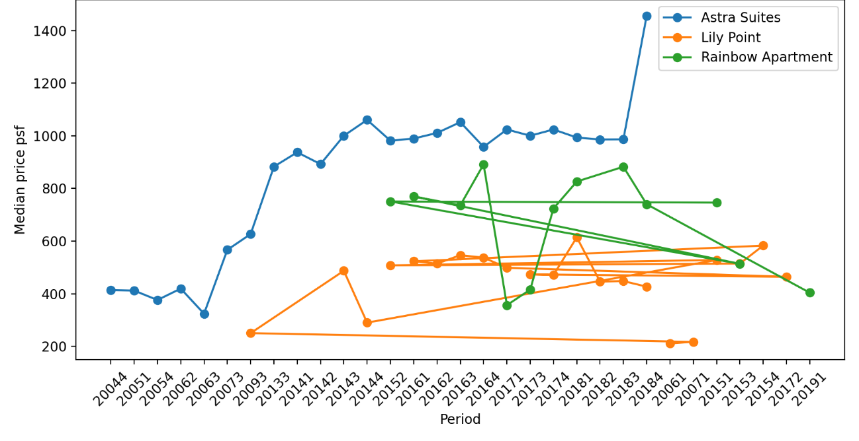

- Median = The middle value when all data point are arrange in order. (more stable, reflect the "typical" price)
- Average (mean) = total of all values divided by number of data points. (More volatile, influenced by extreme transactions)

Answer Q2.3:

 |  |  | Median Valuation Price Across Time (RM)
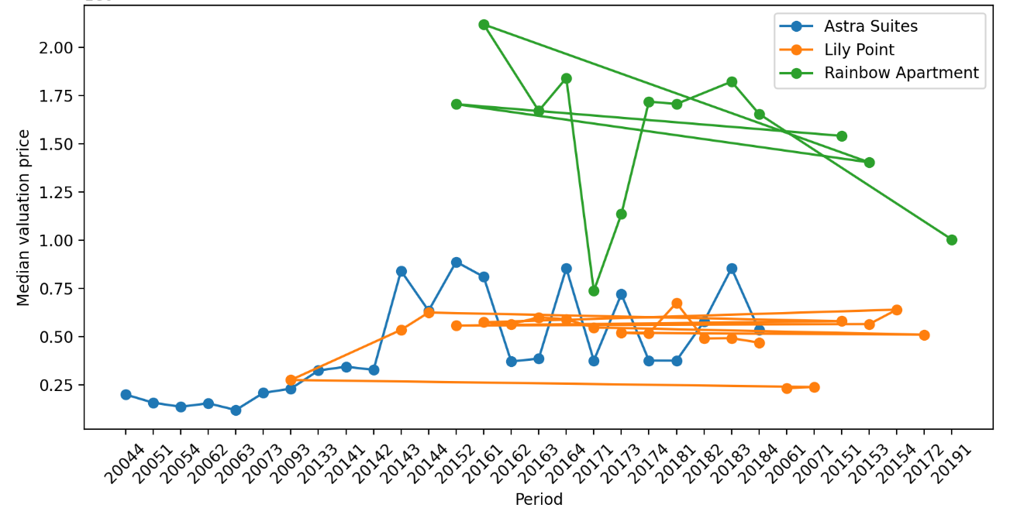

- Astra Suites sits at a mid-to-high price range, usually between around half a million to just under a million in most periods. The prices go up and down with a few peaks,
showing healthy growth at times, and the volatility is moderate, with occasional high-value transactions.
- Lily Point is the most affordable of the three, generally staying in the lower hundreds of thousands to slightly over half a million. Its trend is fairly steady with a gentle
upward drift and few sharp jumps, reflecting a more stable and budget-friendly option.
- Lastly, Rainbow Apartment is the priciest overall, with several periods reaching 1.2 to 2.1 million. Prices are high but uneven, with ups and downs, and its
high volatility suggests a mix of unit types or fewer transactions affecting the median.

